Sheet1
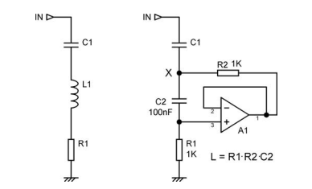
r1 | 130000
r2 | 1800
c1 | 0.000001
c2 | 0.000000022

"L" | 5.148
f0 | 70.145728403

